Gantt Chart
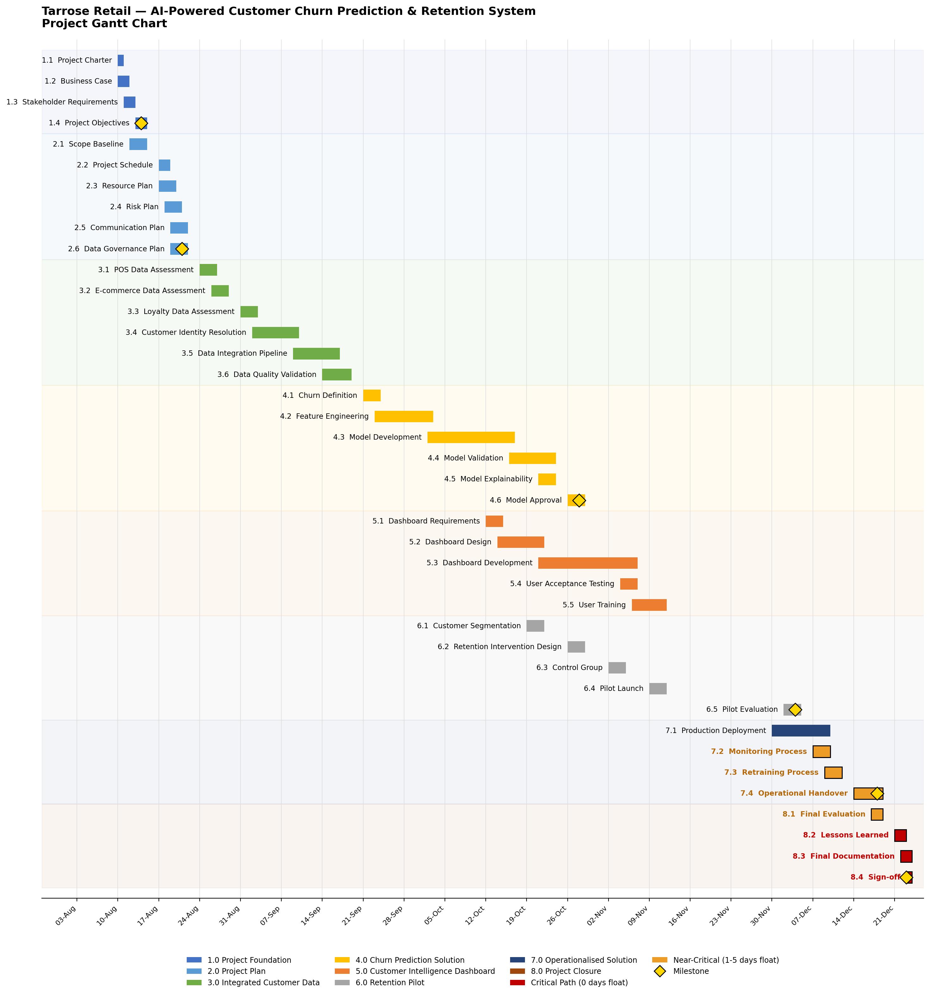
AnalystLab Africa Consulting
Gantt Chart — AI-Powered Customer Churn Prediction & Retention System
Red bars = Critical Path (0 days float). Orange = Near-Critical (1-5 days float). Gold diamonds = milestones. See 'Project Schedule' tab for activity data and 'Critical Path Analysis' for float detail.

